Guide
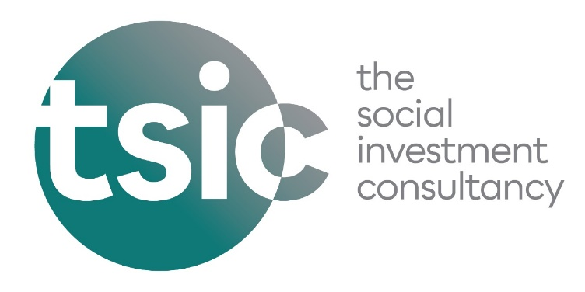
TSIC Associate: Skills and Credentials

This document is to be completed by each TSIC new Associate.. Your responses will be added to our shared team documents, accessible by all our team, central to our allocation of projects across our Associate network.

1) Skills Overview
Our skills overview provides a snapshot of your skills and experience. It has a number of suggested topics designed to be prompts - you won't be adding things to every row, only those that apply to you. You are also welcome to add new rows if you need.

Each row has two columns to be filled in - one dropdown for the status, where you have 5 options - Significant experience, Some experience, Want to develop, New area - want to develop, Some experience - want to develop. There is then a Details column for you to add additional text.

Once you have completed this, it will be added to the team's Skills Overview. It is mainly used for project allocation planning, as well as for viewing our potential credentials for bidding for particular projects. We will of course not use your credentials on a project proposal unless we have agreed a co-submission.

2) Credentials
This provides more of a narrative overview of your key skills and experience. These are provided to the team to share more details on your background.

You may have multiple paragraphs or multiple versions of your credentials with different focuses, and so please feel free to include everything you feel is relevant. For example, you could include one overall credential, and then additional paragraphs that go into more detail on specific thematic or consultancy expertise.

If you have any questions about this document, please email careers@tsiconsultancy.com

